Sheet1
Bug ID | Description/Summary | Steps to Reproduce | Expected Result | Actual Result | Severity | Priority | Screenshot
Bookbird-BUG-1 | To verify if the "Forgot Password" button on the sign-in page is not functioning correctly and allows users to reset their password. | 1. Click on 'Welcome, Guest' option 2. Click on "Forgot Password" button. | A password reset page should be displayed when the "Forgot Password" button is clicked. | The "Forgot Password" button is not functional and does not display the password reset page. | Major | P1(Medium) | 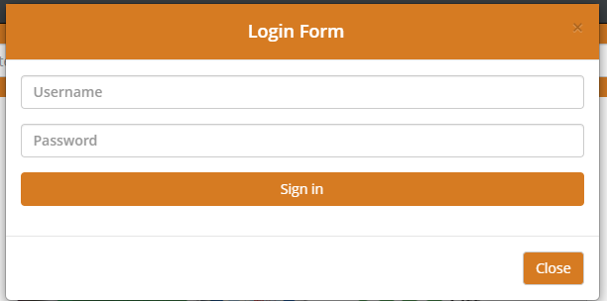
Bookbird-BUG-2 | User is able to register an account by providing an invalid email | 1. Click on 'Sign Up' option 2. Enter a invalid email address into email field 3. Enter 'Create account' button 4. Enter valid inputs in all required fields 5. Click 'sign up' button | An error message should be displayed near the email field, clearly indicating that the email address is invalid. | The sign-up page does not properly validate email address format and allows users to create an account with an invalid email address. | Major | P1(Medium) | 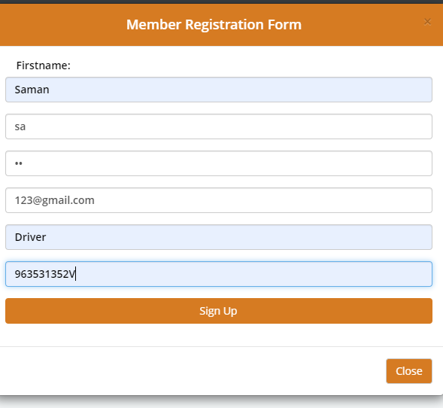
Bookbird-BUG-3 | Enter Enter allowing digits into all the mandatory fields including 'Firstname,Username,Password,email,Occupation,nic' fields. | 1. Click on 'Sign Up' option 2. Enter a invalid email address into email field 3. Enter 'Create account' button 4. Enter Digits inputs in all required fields 5. Click 'sign up' button | An error message should be displayed near the first name field, clearly indicating that digits are not allowed in the first name | The entry of digits in the Firstname,Username,Password,email,Occupation,nic' fields.and allows users to create an account with digits in the first name | Minor | P2(Low) | 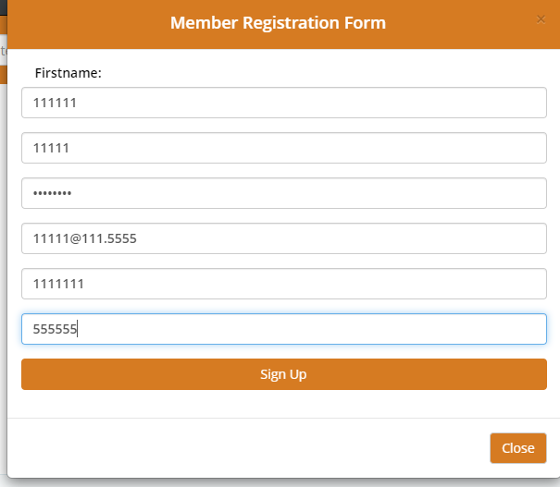
Bookbird-BUG-4 | To verify if the 'Contact Us' page is properly displayed in the footer section of the website. | 1. Open the Application URL 2. Click on 'Logo' icon | The 'Contact Us' link or button should be displayed in the footer section | The 'Contact Us' link or button is missing from the footer section. | Minor | P2(Low)
Bookbird-BUG-6 | Thank you for registering' email is not received to the registered email address after registering an account | 1. Open the Application URL 2. Click on 'Signup' 3. Enter the new User valid details into the 'Member Registration Form' page 4. Click on 'Sign Up' button | User Account should be created and an email with the subject 'Thank you for registering' should be received by the registered email address. | User Account is getting created, but the email with subject 'Thank you for registering' is not received to the registered email address. | Major |  | 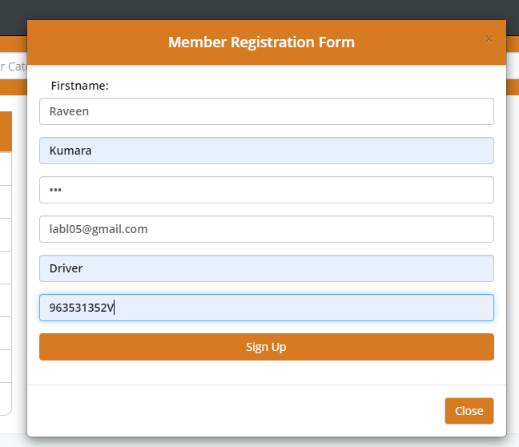
Bookbird-BUG-7 | NIC' field in 'Register Account' page is accepting the spaces and not showing warning message | 1. Open the Application URL 2. Click on 'Signup' 3. Enter the new User valid details into the 'Member Registration Form' page 4. Enter spaces into all the mandatory fields including 'NIC' field 5. Click on 'Sign Up' button | Warning message informing the User to enter the NIC field should be displayed | NIC field is accepting the spaces and no field level warning message is displayed for this field. |  |  | 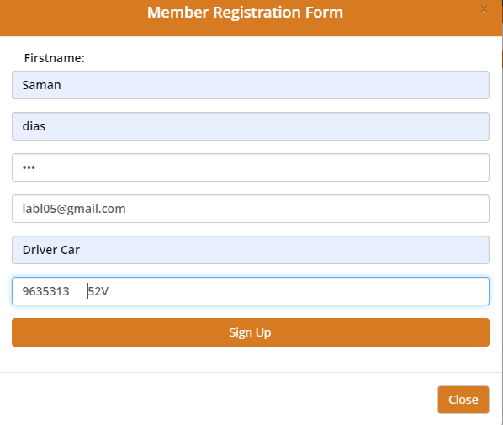
Bookbird-BUG-8 | Page text is not displayed in the 'About Us', 'Delivery Information', 'Privacy Policy' and 'Terms & Conditions' page | 1. Open Application URL 2. Click on 'About Us' footer option or other footer options like 'Delivery Information', 'Privacy Policy’ and 'Terms & Conditions' page | Proper page text should be displayed in the pages | No page text is getting displayed in the page as shown in the attached screenshot | Minor |  | 
Bookbird-BUG-9 | Password' and 'Password Confirm' fields in 'Register Account' page are accepting simple passwords | 1. Open the Application URL 2. Click on 'Signup' 3. Enter the new User valid details into the 'Member Registration Form' page 4. Enter details into all the mandatory fields 5. Click on 'Sign Up' button | Warning message informing the User to enter a password matching the complexity standards should be displayed | Simple password got accepted and there is no warning message regarding the complexity standards of the Password. | Mejor
Bookbird-BUG-10

